Student T Test-Mattey
FG |  |  | SG
28/04/05 | 0.0002885 |  | 23/06/05 | -0.00007814
26/05/05 | 0.00008419 |  | 23/07/05 | -0.00001211
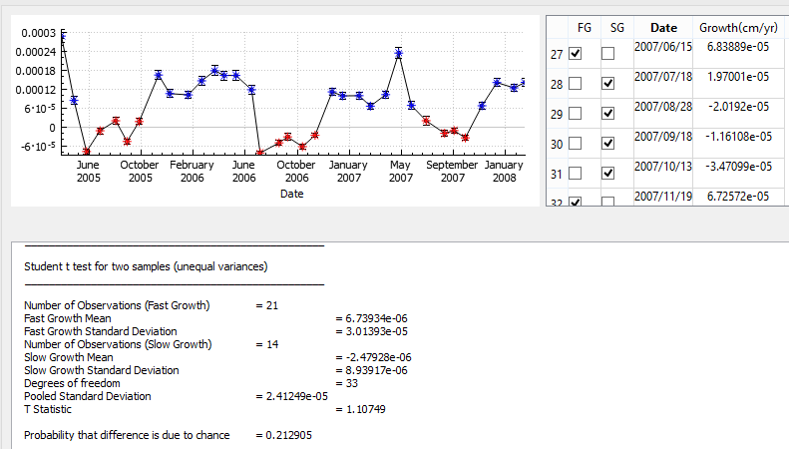
30/11/05 | 0.0001648 |  | 27/0805 | 0.00001963
25/12/05 | 0.0001058 |  | 21/09/05 | -0.00004619
2006-04-02 | 0.0001018 |  | 18/10/05 | 0.00001699
2006-03-06 | 0.0001465 |  |  | -0.00008264
2006-04-04 | 0.0001784 |  |  | -0.0000506
24/05/06 | 0.0001635 |  |  | -0.00006271
21/05/06 | 0.0001635 |  |  | -0.00002651
25/06/06 | 0.0001181 |  |  | 0.0000197
 | 0.0001113 |  |  | -0.000020192
 | 0.00009864 |  |  | -0.00001161
 | 0.00009926 |  |  | -0.00003471
 | 0.000066
 | 0.0001026
 | 0.0002345
 | 0.000068389
 | 0.00006725
 | 0.0001409
 | 0.0001241
 | 0.0001415

 | FG |  |  | SG
Mean | 0.00013188233333 |  | Mean | -2.8391692308E-05
STD | 5.3809047021E-05 |  | STD | 3.3674134295E-05
Var | 2.8954135413E-09 |  | Var | 1.1339473205E-09
Count | 21 |  | Count | 13
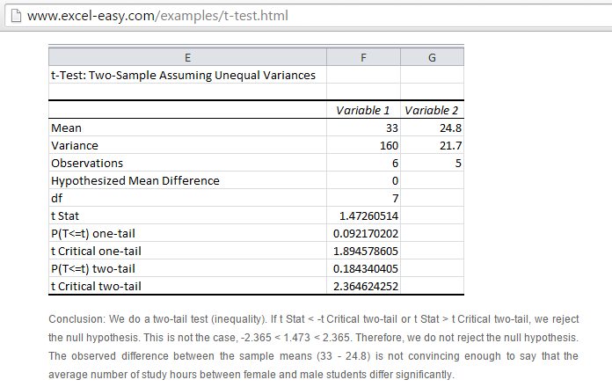
t-Test: Two-Sample Assuming Unequal Variances

 | Variable 1 | Variable 2
Mean | 0.00013188233333 | -2.8391692308E-05
Variance | 3.0401842183E-09 | 1.2284429306E-09
Observations | 21 | 13
Hypothesized Mean Difference | 0
df | 32
t Stat | 10.361494246
P(T<=t) one-tail | 4.7208417387E-12
t Critical one-tail | 1.6938887484
P(T<=t) two-tail | 9.4416834774E-12
t Critical two-tail | 2.0369333435

>> We reject null-Hypothesis 10.3 The observed difference between
the means is significant with 95%

